Registration
Registrations close: | 17-Sep-21

Where: | Highfields State School
 | 10459 New England Highway
 | Highfields QLD 4352
When: | 8.30am, Saturday, 9 October 2021
Cost: | Waged $35
 | Non-waged/Student $30

Registration includes a lunch box, tea, coffee and printed music

Email completed registration to: | choirbolicalSpringSing@gmail.com

Payment of | $0
by direct deposit to: | Choirbolical
 | BSB 633000
 | Account 120540877

Reference | Spring

Ample free parking is available off Borghardt Rd, Highfields.
See the map below.
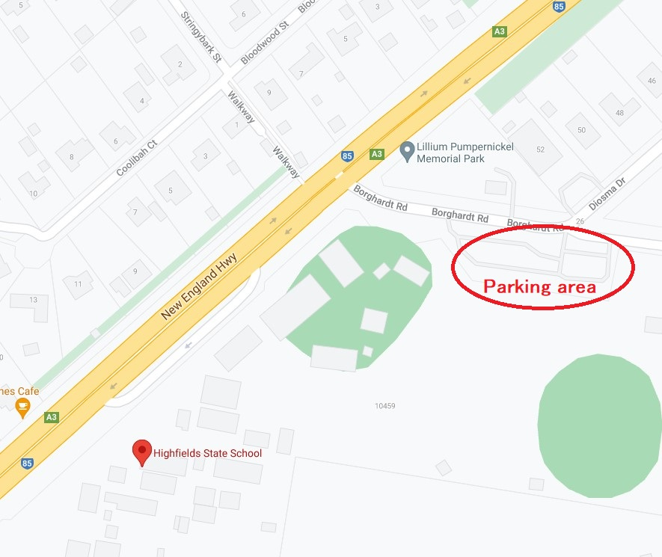


Enter information in pale green sections, save the file and then email the file to: |  |  |  | choirbolicalSpringSing@gmail.com
Group/Choir name
Contact Name
Contact Email
Contact Phone

Participants |  |  |  |  | Dietary Requirements (mark with an x if applicable)
First Name | Last Name | Email Address | Vocal Part | Fee | Vegetarian | Gluten Free | Lactose Free | Other (please specify)

